Dovetails
2820 Slough Street
Mississauga, ON L4T 1G3
Canada
Phone: 905-673-8700
Fax: 905-673-8460
Allstyle.ca

Name |  |  |  | Company Name

Phone |  |  |  |  | Email

Address

City |  |  |  |  | Province |  | Postal

PO# |  |  |  |  |  | Job Tag

Please select one of the following

5/8" dovetail sides with a 3/8" Drawer bottom
Available Materials
 | Hard Maple Reg (Standard) |  |  |  | White Oak Select |  |  | Baltic birch plywood
 | Hard Maple Select |  |  |  | Cherry Select
 | Hard Maple Rustic |  |  |  | Walnut Select

1/2" Dovetail sides with a 1/4" Drawer bottoms
Available Materials
 | Baltic birch plywood

Please select one of the following NOTCHING option.
 | NOTCH BACK (32mm) and DRILL for BLUMOTION
 | NOTCH FRONT (56mm) and BACK (32mm) and DRILL for BLUMOTION
 | NOTCH BACK (56mm) and DRILL for MOVENTO
 | NOTCH FRONT (56mm) and BACK (56mm) and DRILL for MOVENTO
 | NOTCH BACK (35mm) No Drill for Grass DynaPro
 | NOTCH FRONT (56mm) and BACK (35mm) No DRILL for Grass DynaPro
 | NOTCH FRONT (85mm) and BACK (55mm) No DRILL for Hettich
 | No Notching
 | Custom Notch |  | Front |  | Back

Finishing Options |  |  |  |  | Under mount Drawer Clip Installation

 | 2 coats of Laquer (Standard) |  |  |  |  | Blum Tandem Drawer clips
 | Unfinished |  |  |  |  | Blum Movento Drawer clips

Additional Options
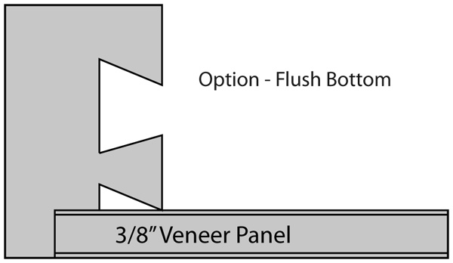

Option Code - SCP
Option Code - FLU



Please provide a drawing
with dimentions

Option Code - SINK

Line | Qty | Width | Depth | Height | Additional Option |  |  | Notes
1
2
3
4
5
6
7
8
9
10
11
12
13
14
15
16
17
18
19
20
 | 0 | Total

